coba 5 and exam
 | JOIN

CONTOH 1. INNER JOIN
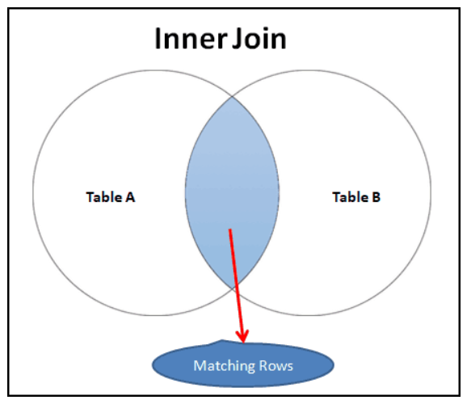
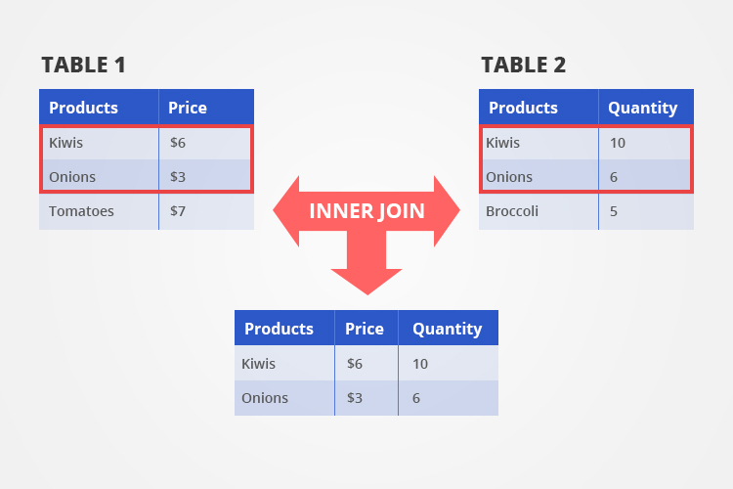

CONTOH 2. LEFT JOIN

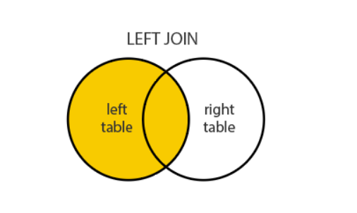
 |  | NULL
 |  | NULL
 |  | VALUE
 |  | VALUE

RESUME UNTUK JOIN

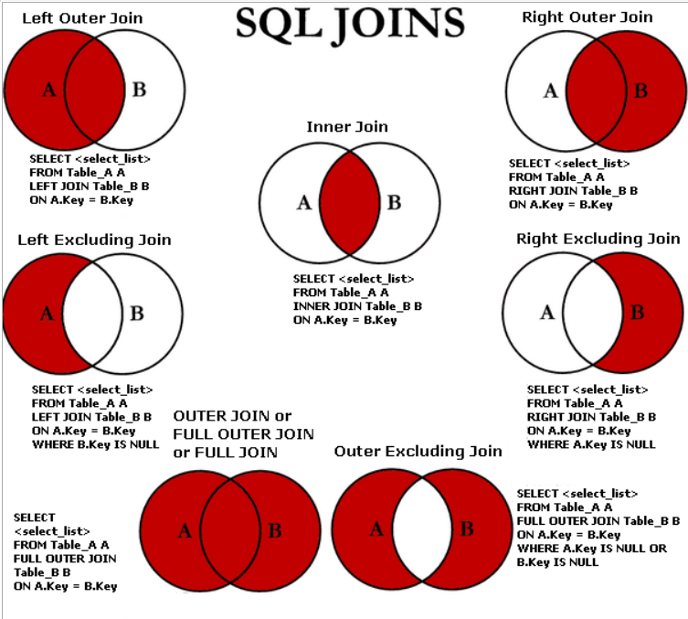

AGREGASI

1. COUNT
2. SUM
3. AVG
4. MIN
5. MAX

GROUP BY
Langsung Hands On

